Instructions
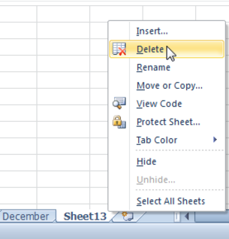
1 | Insert a new worksheet.
2 | Change the name of a worksheets for match the months. Color each tab differently
3 | Copy the June worksheet. Name it June_2
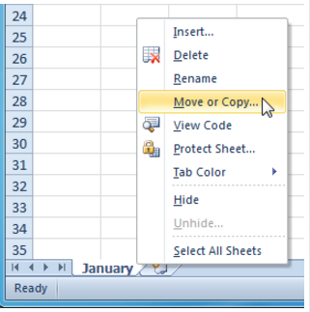
4 | Move Novemeber worksheet in front of January. Move it back
5 | Rename June_2 worksheet to December and move it after November.
6 | Group the worksheets. Click the first Month worksheet, hold shift and click the last month. Change the fill color of Monthly budgets to another color. Right click a sheet tab to ungroup.
7 | Freeze rows: Select row 3. Click the View tab. Click the Freeze panes command. Select Freeze panes. In the cell below, explain the process of freezing panes in all months at once.
8 | In cell B25 of January, create a formula to add all expenses. Do not include credit card payments.
 | Repeat formula for monthly payments in all month's sheets. Can you create the formula once or must it be repeated in each sheet? Explain below
9 | January year total (cell B26) should equal B25. February year to date total is Feb. total + January B26. February formula has already been entered. Continue for all months.

